Sheet1
 |  | Document No. | Issue No. | Issue Date |  |  | Review and Replace Date |  |  | Authorised By
 |  | GFF101MC | 1 | 17.06.2019 |  |  | New Issue |  |  | Magda Shah
 |  | Document Title | VEGGIE SHEPHERD'D PIE WITH CHESTNUTS 450g
Document amendments reason for change |  | New product launch |  |  | Previous Issue Date |  |  | New Issue |  | Uncontrolled copy unless signed original

FVSPCN-R8TMC | MINDFUL CHEF |  | VEGGIE SHEPHERD'D PIE WITH CHESTNUTS 450g │ FROZEN
STEP 1 |  |  |  |  |  | STEP 2
 |  |  |  |  |  | 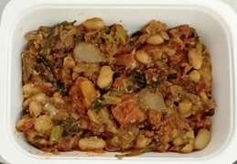

Tray: WHITE OVENABLE BOARD TRAY (PKSOU002-01) |  |  |  |  |  | Veggie Pie Mix (MC) (GFF260R) 274g
Film: 145 X 100 X 250 (PKWRA001-07)
STEP 3 |  |  |  |  |  | STEP 4
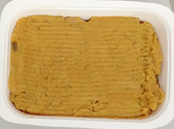 |  |  |  |  |  | 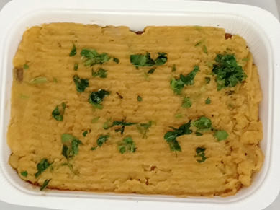

Sweet Potato Mash (GFF232R): 175g |  |  |  |  |  | Parsley Chopped RTE (RMIHF001-59): 1g |  |  | Total Weight: 450g

ALLERGY ALERT: None

